Table 1
IDTA 02027-1-0 Asset Interfaces Mapping Configuration June 2024
S P E C I F I C A T I O N
Submodel Template of the Asset Administration Shell

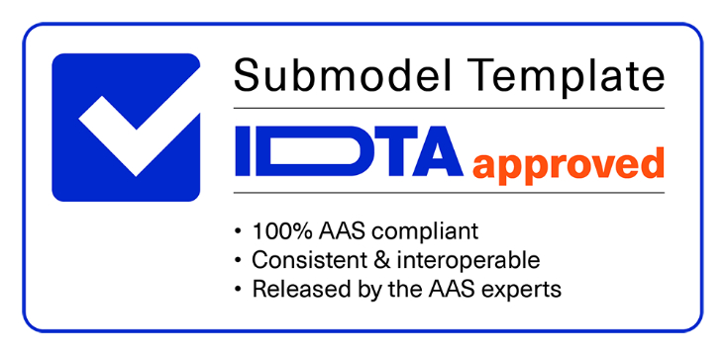

Imprint
Publisher Industrial Digital Twin Association Lyoner Strasse 18 60528 Frankfurt am Main Germany https://www.industrialdigitaltwin.org/ Version history
Date | Version | Comments
2024-06-14 | 1.0 | Release of the official Submodel template published by IDTA.
Contents
1 General 6 1.1 About this document 6 1.2 Scope of the Submodel 6 1.3 Not in Scope of the Submodel 8 1.4 Relevant standards for the Submodel template 8 1.5 Use cases, requirements and design decisions 8 1.5.1 Use Cases 8 1.5.2 Requirements 9 1.5.3 Design Decisions 9 2 Submodel AIMC 10 2.1 Approach 10 2.2 Overview of the AIMC Core Structure 10 2.3 Elements of the Submodel 11 2.4 Elements of SML “MappingConfigurations” 12 2.5 Elements of SMC “{Configuration #0
Figures
Figure 1: AIMC usage in conjunction with AID Submodel 7 Figure 2: AIMC core structure 10 Figure 3: Example depiction of how AID, AIMC and OperationalData (or any other submodel) are used to integrate asset data into AAS 16
Tables
Table 1: AIMC Use Cases 8 Table 2: Elements of the Submodel 11 Table 3: Elements of SML "MappingConfigurations" 12 Table 4: Elements of SMC “{Configuration #00}” 13 Table 5: Element of SML "MappingSourceSinkRelations" 14
1 General
1.1 About this document This document is a part of a specification series. Each part specifies the contents of a Submodel template for the Asset Administration Shell (AAS). The AAS is described in [1], [2], [3] and [6]. First exemplary Submodel contents were described in [4], while the actual format of this document was derived by the "Administration Shell in Practice" [5]. The format aims to be very concise, giving only minimal necessary information for applying a Submodel template, while leaving deeper descriptions and specification of concepts, structures and mapping to the respective documents [1] to [6]. The target group of the specification are developers and editors of technical documentation and manufacturer information, which are describing assets in smart manufacturing by means of the Asset Administration Shell (AAS) and therefore need to create a Submodel instance with a hierarchy of SubmodelElements. This document especially details on the question, which SubmodelElements with which semantic identification shall be used for this purpose.
1.2 Scope of the Submodel This Asset Interfaces Mapping Configuration (AIMC) Submodel specifies an information model and a common representation for describing the mapping of interface(s) of an asset service or asset-related service already described in an Asset Interfaces Description (AID) Submodel. It can be understood as a configuration Submodel for south-bound communication between AAS and asset. Based on this information in the AIMC Submodel, it is possible to configure and initiate a connection to an asset service and map payloads to intended locations in an AAS automatically, and vice versa. As a complement to the AID, an AIMC Submodel is specified to map the received data from asset services to a specific place within an AAS (e.g. an application specific Submodel to monitor or log data). The principle scope and use of the AID and AIMC Submodels is explained in the following Figure 1. Even though AID and AIMC can be closely used together, they are separated Submodels. AID describes available interfaces of an asset and is usually provided by the asset provider. On the other hand, AIMC configures a (bidirectional) mapping between an asset and an AAS and is usually provided by the asset user. Furthermore, an AIMC in an AAS A might reference an AID in an AAS B. • Example 1: An AAS shall integrate data from the asset it represents uniquely. Consequently, AID and AIMC are both integrated into the only one AAS of the asset. • Example 2: An AAS of a product shall integrate product specific production data from a machine that manufactures the product. In this case, the AIMC in the AAS of the product references an AID in the AAS of the machine. The AIMC 1.0 adapts to the structure and protocols supported by AID 1.0 standard: MQTT, HTTP and Modbus. In this version only a unidirectional mapping from asset to AAS is considered. Subsequent releases of AID versions may trigger the release of adapted AIMC versions.
Figure 1: AIMC usage in conjunction with AID Submodel The number legends in Figure 1 are described as follows:
(1) Asset Interfaces Description Submodel: it holds the description model of the asset service (or asset related service) interfaces and its datapoint.
(2) Data Mapping Processor (DMP): This is a software component that provides connection to the asset and exchanges data as defined within the AID Submodel. It also manages the mapping of retrieved data to a desired SM according to AIMC SM definition.
(3) Data transmission channel between Data Mapping Processor and asset service. Depending on the underlying protocol (e.g. Modbus, MQTT) used by the asset service (and as described by the AID), the specific data point can be requested/subscribed.
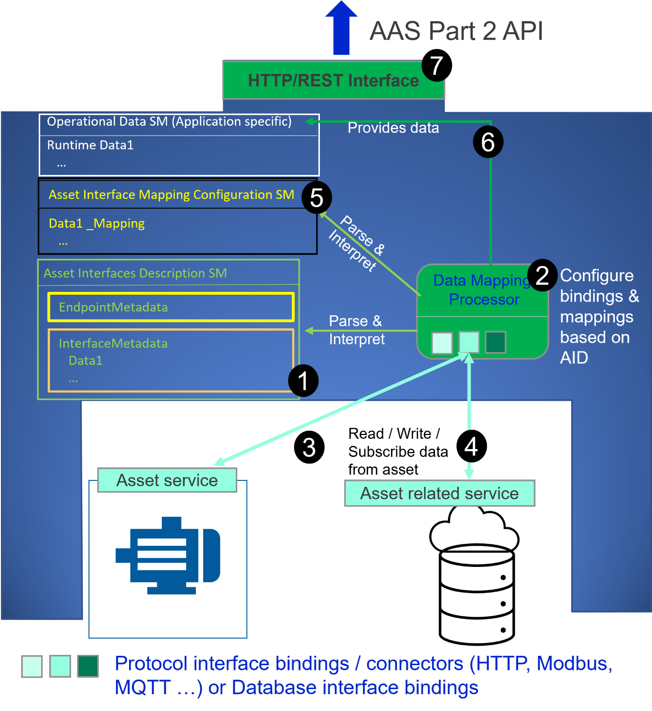

(4) Data transmission channel between Data Mapping Processor and asset related service. Depending on the underlying protocol (e.g. HTTP) used by the asset related service (and as described by the AID), the specific data point can be requested/subscribed.

Table 7
Annex A. Explanations on used table formats
1. General The used tables in this document try to outline information as concise as possible. They do not convey all information on Submodels and SubmodelElements. For this purpose, the definitive definitions are given by a separate file in form of an AASX file of the Submodel template and its elements.
2. Tables on Submodels and SubmodelElements For clarity and brevity, a set of rules is used for the tables for describing Submodels and SubmodelElements. • The tables follow in principle the same conventions as in [5]. • The table heads abbreviate 'cardinality' with 'card'. • The tables often place two information in different rows of the same table cell. In this case, the first information is marked out by sharp brackets [] form the second information. A special case are the semanticIds, which are marked out by the format: (type)(local)[idType]value. • The types of SubmodelElements are abbreviated:
SME type | SubmodelElement type
Property | Property
MLP | MultiLanguageProperty
Range | Range
File | File
Blob | Blob
Ref | ReferenceElement
Rel | RelationshipElement
SMC | SubmodelElementCollection
• If an idShort ends with '{00}', this indicates a suffix of the respective length (here: 2) of decimal digits, in order to make the idShort unique. A different idShort might be chosen, as long as it is unique in the parent’s context. • The Keys of semanticId in the main section feature only idType and value, such as: [IRI]https://admin-shell.io/vdi/2770/1/0/DocumentId/Id. The attributes "type" and "local" (typically "ConceptDescription" and "(local)" or "GlobalReference" and (no-local)") need to be set accordingly; see [6]. • If a table does not contain a column with "parent" heading, all represented attributes share the same parent. This parent is denoted in the head of the table. • Multi-language strings are represented by the text value, followed by '@'-character and the ISO 639 language code: example@EN. • The [valueType] is only given for Properties.
Annex B. AIMC in AASX Package Explorer
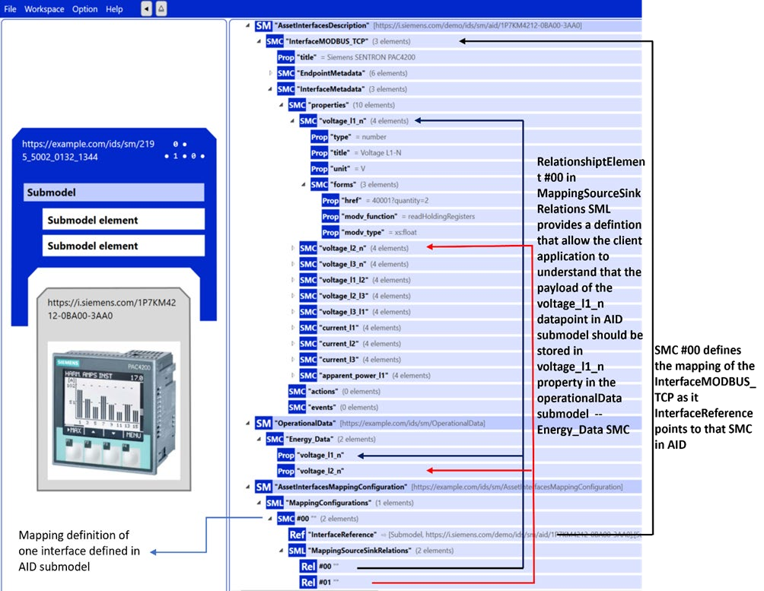
Figure 3: Example depiction of how AID, AIMC and OperationalData (or any other submodel) are used to integrate asset data into AAS

Bibliography
[1] acatech, “Recommendations for implementing the strategic initiative INDUSTRIE 4.0,“ Platform Industrie 4.0, Frankfurt am main, April, 2013. [Online]. Available https://www.acatech.de/Publikation/recommendations-for-implementing-the-strategic- initiative-industrie-4-0-final-report-of-the-industrie-4-0-working-group/
[2] bitkom;VDMA;ZVEI, “Implementation Strategy Industrie 4.0: Report on the results of the Industrie 4.0 Platform,“ VDMA e.V., Frankfurt am Main, January, 2016. [Online]. Available:https://www.bitkom.org/noindex/Publikationen/2016/Sonstiges/Implementation- Strategy-Industrie-40/2016-01-Implementation-Strategy-Industrie40.pdf
[3] Plattform Industrie 4.0;PIANO Industria 4.0, “The Structure of the Administration Shell: TRILATERAL PERSPECTIVES from France, Italy and Germany,“ Plattform Industrie 4.0, Berlin, March, 2018. [Online]. Available: https://www.plattform- i40.de/I40/Redaktion/EN/Downloads/Publikation/hm-2018-trilaterale-coop.html
[4] Industrial Digital Twin Association, “Specification of the Asset Administration Shell Part 1: Metamodel,“ Industrial Digital Twin Association, Frankfurt am Main, March,2023. [Online]. Available: https://industrialdigitaltwin.org/wp-content/uploads/2023/06/IDTA-01001-3- 0_SpecificationAssetAdministrationShell_Part1_Metamodel.pdf
[5] ZVEI, “Beispiele zur Verwaltungsschale der Industrie 4.0-Komponente – Basisteil (German),“ ZVEI, Frankfurt am Main, November, 2016. [Online]. Available: https://www.zvei.org/presse-medien/publikationen/beispiele-zur-verwaltungsschale-der- industrie-40-komponente-basisteil/
[6] Plattform Industrie 4.0, “Verwaltungsschale in der Praxis. Wie definiere ich Teilmodelle, beispielhafte Teilmodelle und Interaktion zwischen Verwaltungsschalen (in German),“ Plattform Industrie 4.0, Berlin, Juli,2020. Plattform Industrie 4.0 in Kooperation mit VDE GMA Fachausschuss 7.20, Federal Ministry for Economic Affairs and Energy (BMWi), [Online]. Available: https://www.plattform- i40.de/PI40/Redaktion/DE/Downloads/Publikation/2019-verwaltungsschale-in-der- praxis.html
[7] S. Kaebisch, M. McCool und E. Korkan, “Web of Things(WoT) Thing Description 1.1,“ World Wide Web Consortium, Cambridge, 2023. [Online]. Available: https://www.w3.org/TR/wot-thing-description11/
[8] Modbus Organisation, “MODBUS Messaging on TCP/IP Implementation Guide V1.0b,“ Modbus Organisation, 2006. [Online]. Available: https://www.modbus.org/docs/Modbus_Messaging_Implementation_Guide_V1_0b.pdf
[9] OASIS, “MQTT Version 3.1.1 Plus Errata 01,“ OASIS, December 2015. [Online]. Available: http://docs.oasis-open.org/mqtt/mqtt/v3.1.1/mqtt-v3.1.1.html
[10] H. Nielsen, J. Mogul, L. M. Masinter, R. T. Fielding, J. Gettys, P. J. Leach und T. Berners- Lee, „RFC 2616 - Hypertext Transfer Protocol -- HTTP/1.1,“ 1999. [Online]. Available:https://datatracker.ietf.org/doc/html/rfc2616
[11] Specification of the Asset Administration Shell; Part 2: Application Programming Interfaces, June 2023, Industrial Digital Twin Association, Available :
https://industrialdigitaltwin.org/wp-content/uploads/2023/06/IDTA-01002-3- 0_SpecificationAssetAdministrationShell_Part2_API_.pdf
www.industrialdigitaltwin.org

